Instructions
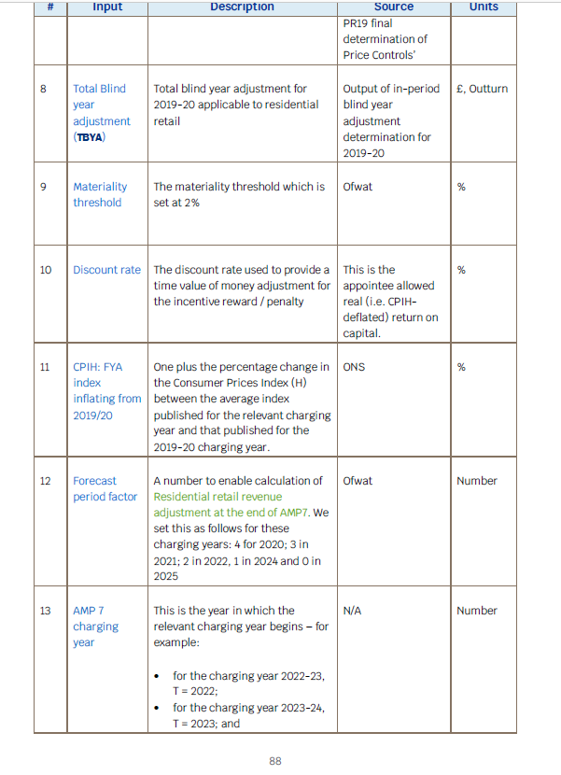
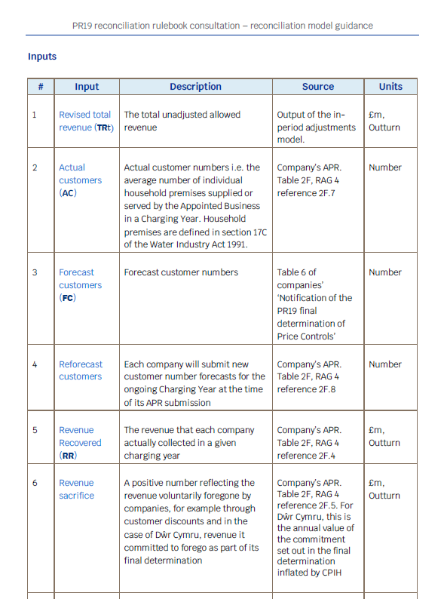

This comes from 4R.4 column 3 total ave billed customers

This comes from 2F.2

